Sheet2
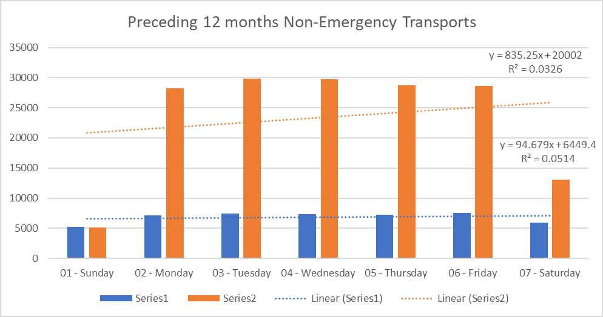
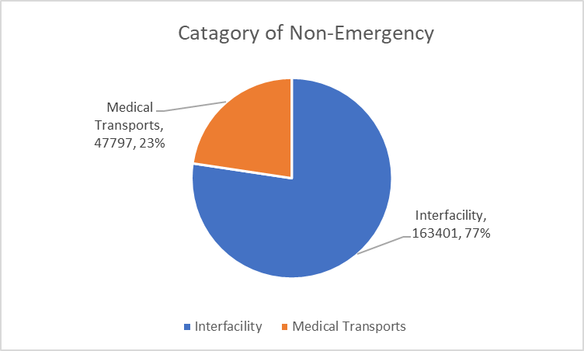
 | Interfacility Transport (2205005) | Medical Transport (2205007) | Total
1 | 5204 | 5184 | 10388
01 - Sunday | 5204 | 5184 | 10388
2 | 7150 | 28240 | 35390
02 - Monday | 7150 | 28240 | 35390
3 | 7430 | 29782 | 37212
03 - Tuesday | 7430 | 29782 | 37212
4 | 7331 | 29748 | 37079
04 - Wednesday | 7331 | 29748 | 37079
5 | 7269 | 28763 | 36032
05 - Thursday | 7269 | 28763 | 36032
6 | 7515 | 28614 | 36129
06 - Friday | 7515 | 28614 | 36129
7 | 5898 | 13070 | 18968
07 - Saturday | 5898 | 13070 | 18968
Grand Total | 47797 | 163401 | 211198

